Main Writeup
Anil Shrivastava
ashrivastava@325capital.com
NOW: | 9/3/20
DATA LOADED: | 2/11/20
UPDATE: | 11/16/19 |  |  |  | ATRO

File: | https://325capitalcom.sharepoint.com/sites/325CapitalGroupDrive/Shared Documents/Screen/Python/[Astronics ATRO US.xlsx]Summary Page |  |  |  |  |  |  |  |  |  |  |  |  |  |  |  |  |  |  |  |  |  |  |  |  | 1.7
 | Current Share Price |  |  |  | Capitalization Table |  |  |  |  | Share Dynamics |  |  |  |  |  |  |  |  |  |  |  |  |  |  |  | 28.9
 | Current Px | $11.01 | 2020-09-03 |  | Market Cap |  | 359 |  |  | Dividend Yield |  | - |  |  |  |  |  |  |  |  |  |  |  |  |  | 32.7
 | 52 wk high | $41.86 | -74% |  | Total Debt |  | 173 |  |  | Shares O/S (M) |  | 32.6 |  |  |  |  |  |  |  |  |  |  |  |  |  | 19.6
 | 52 wk low | $26.08 | -58% |  |  |  |  |  |  | Daily Volume |  | 0.27
 |  |  |  |  | Cash |  | 47 | Multiple |  | Short Interest |  | 4.0%
 | Earnings Power Results |  |  |  | Net Debt (Cash) |  | $127 | 4.5x
 | EP Price |  | 24.54 |  | EV |  | $485
 | Current Price |  | 11.01
 | Max Price to Achieve a 10% Return |  | 15.24 |  | LTM Revs |  | 539
 | IRR |  | 17.4% |  | LTM EBITDA |  | 28 | 17.2x
 |  |  |  |  | NTM EBITDA |  | 38 | 12.9x
 | Implied EV/ EBITDA multiple |  | 9.4 |  | 5-yr median (5 yr) |  |  | 9.3x
 | Current EV/ EBITDA (LTM) |  | 10.8
 | 5-Yr Median EV/EBITDA (LTM) |  | 8.3 |  |  |  |  |  |  | CAGRs and Deltas |  |  |  | Historicals | 6.65 | 14.97 | 14.60 | 25.10 | 32.55 | 44.28 | 27.92 | 27.95 | 33.19 | 32.84 | $11.01
 | Revenues | ex-test
10 | 195.75
11 | 228.16
12 | 266.45
13 | 339.94
14 | 661.04
15 | 692.28
16 | 633.12 | 595.223
17 | 624.46 | 592.464
18 | 803.26 | 718.956
19 | 772.70 | 763.002
20 | 538.98 | 538.98372366
21 | 617.68 | 617.68361721
22 | 663.59
23 | 718.03
24 | 772.33
25 | 828.80
26 | 852.84
27 | 877.57
28 | 903.02
29 | 929.21
 |  |  |  |  |  |  |  |  |  |  | 10 year | 5 year | + 2 years |  | 10 | 11 | 12 | 13 | 14 | 15 | 16 | 17 | 18 | 19 | 2020-07-10 | 2021-07-10 | 22 | 23 | 24 | 25 | 26 | 27 | 28 | 29
 | EBITDA | ex-test
10 | 30.14
11 | 39.33
12 | 40.88
13 | 54.75
14 | 116.35
15 | 126.38
16 | 101.21 | 96.9652
17 | 78.00 | 74.415
18 | 101.79 | 91.075
19 | 88.94 | 88.935
20 | 28.19 | 28.190353146
21 | 51.45 | 51.453600532
22 | 67.71
23 | 61.46
24 | 74.67
25 | 88.64
26 | 91.21
27 | 93.85
28 | 96.58
29 | 99.38
 |  |  |  |  |  |  |  |  |  | Revenues | 14.7% | 3.2% | -12.3% | Revenues | 195.75 | 228.16 | 266.45 | 339.94 | 661.04 | 692.28 | 633.12 | 624.46 | 803.26 | 772.70 | 538.98 | 617.68 | 663.59 | 718.03 | 772.33 | 828.80 | 852.84 | 877.57 | 903.02 | 929.21
 |  |  |  |  |  |  |  |  |  | EBITDA | 11.4% | -5.2% | -28.9% | EBITDA | 30.14 | 39.33 | 40.88 | 54.75 | 116.35 | 126.38 | 101.21 | 78.00 | 101.79 | 88.94 | 28.19 | 51.45 | 67.71 | 61.46 | 74.67 | 88.64 | 91.21 | 93.85 | 96.58 | 99.38
 |  |  |  |  |  |  |  |  |  | % | -3.9% | -6.1% | -3.2% | % | 15.4% | 17.2% | 15.3% | 16.1% | 17.6% | 18.3% | 16.0% | 12.5% | 12.7% | 11.5% | 5.2% | 8.3% | 10.2% | 8.6% | 9.7% | 10.7% | 10.7% | 10.7% | 10.7% | 10.7%
 |  |  |  |  |  |  |  |  |  | TEV/EBITDA | 1790.2% | 1408.7% |  | TEV/EBITDA | 7.21 | 12.37 | 12.46 | 18.08 | 11.03 | 13.34 | 10.81 | 15.34 | 12.94 | 25.12 | 9.38 | 9.38 | 9.38 | 9.38 | 9.38 | 9.38 | 9.38 | 9.38 | 9.38 | 9.38
 |  |  |  |  |  |  |  |  |  | TEV | 19.1% | -0.6% |  | TEV | 217.47 | 486.35 | 509.38 | 989.65 | 1,283.26 | 1,686.02 | 1,094.47 | 1,196.38 | 1,317.22 | 1,247.68 | 264.53 | 482.82 | 635.39 | 576.69 | 700.66 | 831.76 | 855.88 | 880.70 | 906.24 | 932.52
 |  |  |  |  |  |  |  |  |  | Gross Margin: |  |  |  | Gross Margin: | 26.8% | 28.7% | 28.7% | 29.1% | 29.4% | 30.8% | 29.3% | 26.3% | 26.9% | 24.5%
 |  |  |  |  |  |  |  |  |  | Top Holders |  |  |  |  |  |  |  |  |  |  | Five year Analysis to LTM: | From EBITDA |  | (302.33) | 849.8%
 |  |  |  |  |  |  |  |  |  | Name |  |  | % | Paste Side Notes Below |  |  |  |  |  |  |  | From Multiple |  | 1,252.80 | -3521.3%
 |  |  |  |  |  |  |  |  |  | Blackrock Inc. |  |  | 9.17% |  |  |  |  |  |  |  |  | Change in TEV: |  | (35.58) | -2671.5%
 |  |  |  |  |  |  |  |  |  | International Value Advisers, LLC |  |  | 8.93%
 |  |  |  |  |  |  |  |  |  | Vanguard Group, Inc. (The) |  |  | 8.68% | Disposed Test Systems |  |  |  |  |  |  | 37.9 | 32 | 84.3 | 9.7 | 0
 |  |  |  |  |  |  |  |  |  | State Street Corporation |  |  | 7.05% | Revenues |  |  |  |  |  |  | 595.2 | 592.5 | 719.0 | 763.0 | 539.0 | 617.7
 | Close
40134 | 2.61
40135 | 2.54
40136 | 2.42
40137 | 2.47
40140 | 2.44
40141 | 2.44
40142 | 2.44
40144 | 2.35
40147 | 2.42
40148 | 2.43
40149 | 2.47
40150 | 2.41
40151 | 2.53
40154 | 2.63
40155 | 2.65
40156 | 2.75
40157 | 2.59
40158 | 2.61
40161 | 2.77
40162 | 2.79
40163 | 2.76
40164 | 2.71
40165 | 2.83
40168 | 2.83
40169 | 2.74
40170 | 2.7
40171 | 2.76
40175 | 2.69
40176 | 2.6
40177 | 2.61
40178 | 2.62
40182 | 2.83
40183 | 2.75
40184 | 2.67
40185 | 2.7
40186 | 2.71
40189 | 2.69
40190 | 2.69
40191 | 2.7
40192 | 2.59
40193 | 2.49
40197 | 2.44
40198 | 2.42
40199 | 2.31
40200 | 2.32
40203 | 2.31
40204 | 2.3
40205 | 2.36
40206 | 2.45
40207 | 2.48
...
 |  |  |  |  |  |  |  |  |  | Wellington Management Company, LLP |  |  | 6.65% | EBITDA |  |  |  |  |  |  | 97.0 | 74.4 | 91.1 | 88.9 | 28.2 | 51.5
 |  |  |  |  |  |  |  |  |  | Neuberger Berman Group, LLC |  |  | 5.69% | Margin: |  |  |  |  |  |  | 16.3% | 12.6% | 12.7% | 11.7% | 5.2% | 8.3%
 |  |  |  |  |  |  |  |  |  | Dimensional Fund Advisors LP |  |  | 5.02% | Delta to Orig; |  |  |  |  |  |  | 0.3% | 0.1% | 0.0% | 0.1% | 0.0% | 0.0%
 |  |  |  |  |  |  |  |  |  | Royal Bank of Canada |  |  | 3.38% | 16-LTM CAGR | 18-19 CAGR | +2 CAGR | Predicted |  |  |  | 4.24 | 3.58 | 10.72 | -
 |  |  |  |  |  |  |  |  |  | ACK Asset Management, LLC |  |  | 3.14% | 8.6% | -25.0% | -10.0% | 8.00%
 |  |  |  |  |  |  |  |  |  | Bank Of New York Mellon Corporation |  |  | 2.63% | -2.8% | -69.0% | -23.9% |  |  |  | Aerospace on: | 87.43 | 66.34 | 86.58
 |  |  |  |  |  |  |  |  |  |  |  |  | 0.0%
 |  |  |  |  |  |  |  |  |  | MGMT
 |  |  |  |  |  |  |  |  |  | Mr. Peter J. Gundermann |  | Chairman, CEO & Pres
 |  |  |  |  |  |  |  |  |  | Mr. David C. Burney |  | Exec. VP of Fin., CFO & Sec.
 |  |  |  |  |  |  |  |  |  | Mr. James S. Kramer |  | Exec. VP
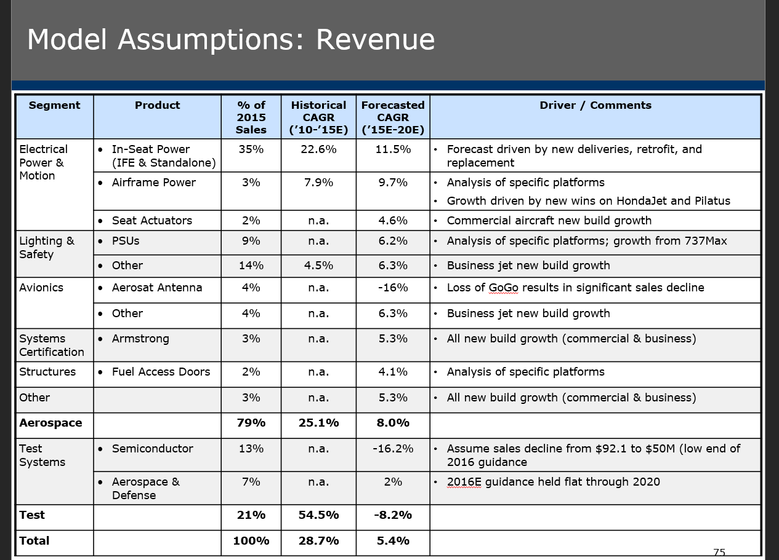
 |  |  |  |  |  |  |  |  |  | Mr. Mark A. Peabody |  | EVP, Pres of Astronics Adv. Electronic Systems Corp. & Astronics Custom Control Concepts Inc.
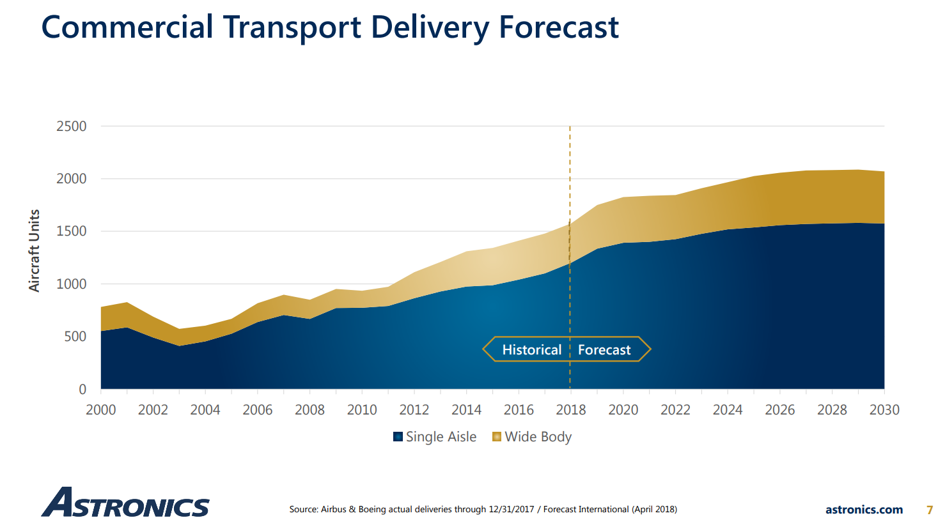
 | Description | * Previous business would swing dramatically with the semiconductor test systems business NOW SOLD IN FEB, 2019!!
 | and Analysis | * Used to move the stock more than the 90% of the business focused on aeronatuics power equipment
 |  | * Still has 90% share of all in seat power; claim penetration is 80% wide-body and 25% narrow body with only 60% of wide seats and 20% of narrow
 |  | * moving to expand share of wallet in in power by handling all the systems on-board for power
 |  |  | - extensive, ongoing major airliner opportunities continue to exist
 |  |  | - also has opportunity to become a leading player in all power infrasturcture for small aircraft
 |  | * Continues to have a small set of other plane parts, some for the military
 |  | * Has a stgrategy to get into the wifi infrastructure of the airplane as in-seat entertainment systems go away but unclear if it is sound
 |  |  | - but could provide excellent growth
 |  | * Same senior team as before; Ryan Bunn and I met them several times.
 |  | * Divested Test Systems had Revenue of $19.724M and OPINC of 2.185M in Q1 and was sold for $103.8M with a gain of 80.1M. Assets sold were 73.519M
 |  | * Annual Test Systems is: |  |  | 2016 | 2017 | 2018 | CAGR | Percent of Total |  |  | Average
 |  |  | Rev |  | 99.1 | 89.9 | 127.7 | 13.5% | 15.6% | 14.4% | 15.9% | 15.3%
 |  |  | Op Inc. |  | 8.5 | 7.4 | 10.7 | 12.2%
 |  |  | DA |  | 5.3 | 4.3 | 4.5 | -7.6%
 |  |  | Capex |  | 3.3 | 2.7 | 1.4 | -36.0%
 |  |  | EBITDA |  | 13.8 | 11.7 | 15.2 | 5.1% | 13.6% | 15.0% | 14.9% | 14.5%
 |  |  | Op CF |  | 10.4 | 8.9 | 13.8 | 15.2%
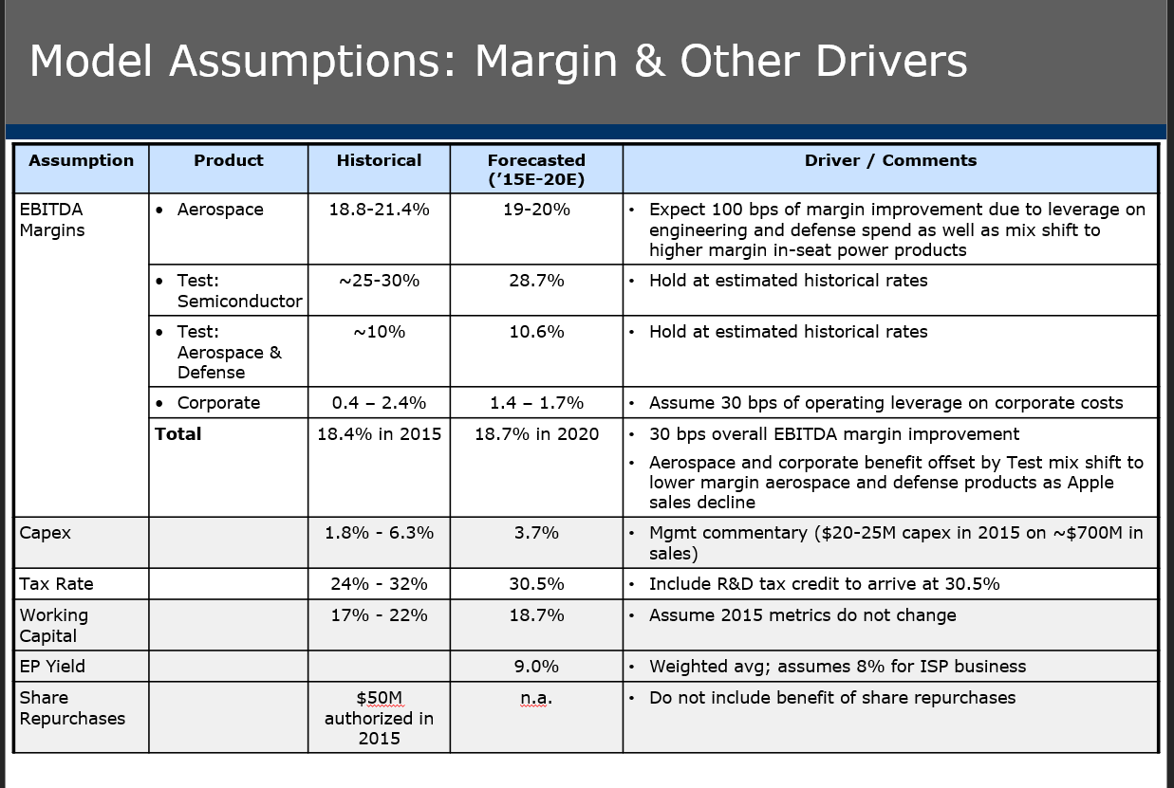
 | Hypothesis and | * Reengagte with the company now that test systems is no longer in the picture clouding investor understanding and cash flow
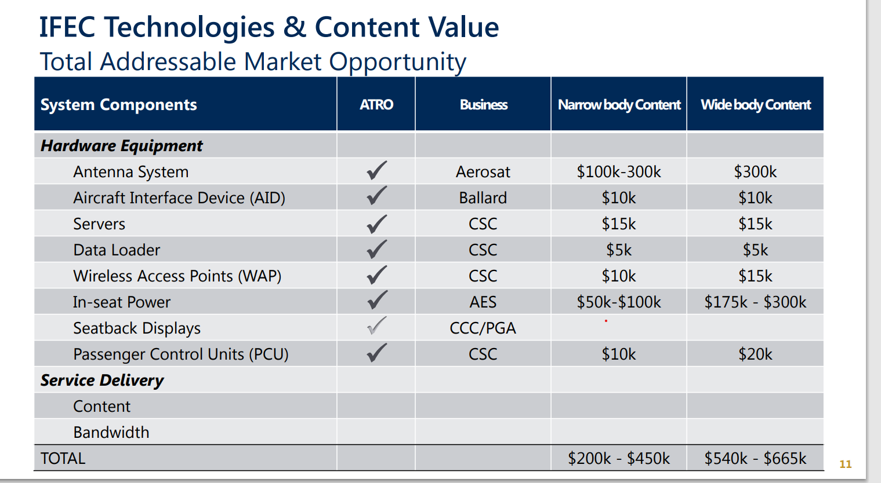
 | Recommendation | * Rediligence long-term in power seat trends. Global aircraft volumes look solid (though always something to worry about).
 |  | Have to believe:
 |  |  | - retain significant share in in-seat power and maintain major contract visibility
 |  |  | - ability to pull together the "whole infrastructure" for power in small-aircraft
 |  |  | - diligence the long-term outlook for small aircraft which can be more cyclical (but there is replacement so its about the installed base growth)
 |  |  | - A growth strategy is to get into in-flight entertainment equipment - satellite, servers, wifi, etc. that are the latest, high value components
 |  |  |  | that feed off the power infrasturcure. Is there real synergy there? (see side bar)
 |  |  |  | > claim $200-450K of narrow body content and $540-665K in wide body content. (see side bar)
 |  |  | - another growth area is total connectivity infrastructure on the plane (see side bar)
 |  |  | lighting continues to be a steady state contributor to the business - includes military
 |  |  | - need to reforcast business without test systems

 | Recommendation: Go to HD

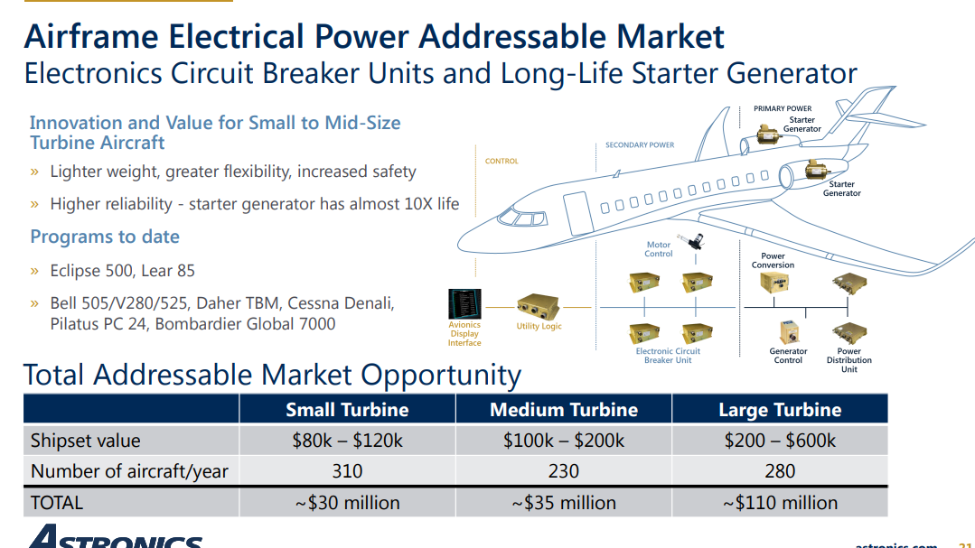
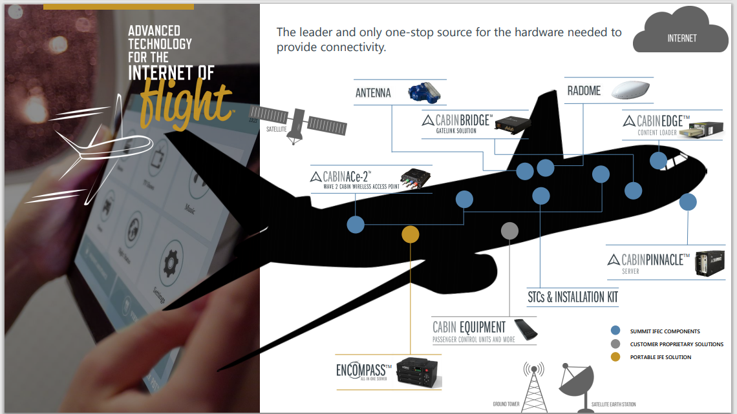
 | Historical Segments | ATRO Presentation Materials | 2016 | 2017 | 2018 | 2019 | CAGR
 |  | Aerospace | 534 | 534.6 | 675.6 | 727.5 | 10.9%
 |  | Test Systems | 99.1 | 89.9 | 127.6 | 55 | -17.8%
 |  |  | 633.1 | 624.5 | 803.2 | 782.5

 |  | Test | 15.7% | 14.4% | 15.9% | 7.0% | 13.2%

 | Historical Mix | Aerospace |  |  |  | 2019 Q1 LTM |  |  | 2019 Q1 LTM
 |  | Commercial |  |  |  | 66.0% |  | Electrical Power and Motion | 39.0%
 |  | Military |  |  |  | 9.0% |  | Lighting and Safety | 22.0%
 |  | Business Jet |  |  |  | 6.0% |  | Avionics | 16.0%
 |  | Test Semiconductor |  |  |  | 10.0% |  | Test | 16.0%
 |  | A&D Test |  |  |  | 6.0% |  | Structures | 3.0%
 |  | Other |  |  |  | 3.0% |  | Systems Certification | 1.0%
 |  |  |  |  |  | 100.0% |  | Other | 3.0%

 | Commercial Transport Delivery Forecast

 |  | cms
 | 1000 | 2.95 | 2014 | 2015 | 2016 | 2017 | 2018 | 2019 | 2020 | 2021 | 2022 | 2023 | 2024 | 2025 | 2026 | 2027 | 2028 | 2029 | 2030
 |  | Narrowbody | 2.85 | 2.95 | 3.15 | 3.45 | 3.6 | 3.95 | 4.1 | 4.15 | 4.2 | 4.3 | 4.5 | 4.55 | 4.5 | 4.6 | 4.6 | 4.65 | 4.65
 |  | Total | 3.8 | 4.05 | 4.2 | 4.5 | 4.7 | 5.2 | 5.4 | 5.7 | 5.5 | 5.55 | 5.8 | 6 | 6.05 | 6.1 | 6.1 | 6.15 | 6.1

 |  | units
 |  | Narrowbody | 966.1 | 1,000.0 | 1,067.8 | 1,169.5 | 1,220.3 | 1,339.0 | 1,389.8 | 1,406.8 | 1,423.7 | 1,457.6 | 1,525.4 | 1,542.4 | 1,525.4 | 1,559.3 | 1,559.3 | 1,576.3 | 1,576.3
 |  | Widebidy | 322.03 | 372.88 | 355.93 | 355.93 | 372.88 | 423.73 | 440.68 | 525.42 | 440.68 | 423.73 | 440.68 | 491.53 | 525.42 | 508.47 | 508.47 | 508.47 | 491.53
 |  | Total | 1,288.1 | 1,372.9 | 1,423.7 | 1,525.4 | 1,593.2 | 1,762.7 | 1,830.5 | 1,932.2 | 1,864.4 | 1,881.4 | 1,966.1 | 2,033.9 | 2,050.8 | 2,067.8 | 2,067.8 | 2,084.7 | 2,067.8

 | Commerical Production
 | 500 | 1.55
 |  | Narrow |  |  |  |  |  | 3.7 | 3.8 | 3.9 | 4.0 | 4.2 | 4.4 | 4.4 | 4.5 | 4.5 | 4.6 | 4.6
 |  | Total |  |  |  |  |  | 4.8 | 5.5 | 5.5 | 5.6 | 5.8 | 6.1 | 6.3 | 6.4 | 6.5 | 6.5 | 6.5

 |  | units
 |  | Narrow |  |  |  |  |  | 1,177.4 | 1,229.0 | 1,258.1 | 1,274.2 | 1,354.8 | 1,403.2 | 1,419.4 | 1,451.6 | 1,451.6 | 1,467.7 | 1,467.7
 |  | Wide |  |  |  |  |  | 370.97 | 545.16 | 500.00 | 516.13 | 516.13 | 548.39 | 596.77 | 612.90 | 629.03 | 629.03 | 629.03
 |  | Total |  |  |  |  |  | 1,548.4 | 1,774.2 | 1,758.1 | 1,790.3 | 1,871.0 | 1,951.6 | 2,016.1 | 2,064.5 | 2,080.6 | 2,096.8 | 2,096.8
 |  |  | 2019 | 2020 | per month | Per quarter
 |  | 737 Max | 57 | 3 | 47
 |  | ATRO Content | 5.4 | 0.3 | 4.5 | 13.40
 |  | 9.50E+04

 | Aircraft deliveries |  | 2004 | 05 | 06 | 07 | 08 | 09 | 10 | 11 | 12 | 13 | 14 | 15 | 16 | 17 | 18 | 19 | 20 | 21 | 22 | 23 | 24 | 25 | 26 | 27 | 28 | (04-18) | (18-24) | (18-28)
 |  | Commerical | 0.6 | 0.7 | 0.8 | 0.9 | 0.9 | 1.0 | 1.0 | 1.0 | 1.1 | 1.3 | 1.3 | 1.4 | 1.4 | 1.5 | 1.6 | 1.8 | 1.8 | 1.9 | 1.9 | 1.9 | 2.0 | 2.0 | 2.1 | 2.1 | 2.1 | 7.1% | 4.3% | 2.6%
 |  | Regional | 0.3 | 0.3 | 0.3 | 0.3 | 0.4 | 0.3 | 0.3 | 0.3 | 0.3 | 0.3 | 0.3 | 0.4 | 0.3 | 0.4 | 0.4 | 0.4 | 0.5 | 0.4 | 0.4 | 0.5 | 0.5 | 0.5 | 0.5 | 0.5 | 0.5 | 1.6% | 3.6% | 1.8%
 |  | Business | 0.6 | 0.7 | 0.9 | 1.0 | 1.1 | 0.8 | 0.7 | 0.7 | 0.6 | 0.7 | 0.7 | 0.7 | 0.6 | 0.6 | 0.6 | 0.7 | 0.7 | 0.7 | 0.7 | 0.7 | 0.7 | 0.8 | 0.8 | 0.9 | 0.9 | 0.5% | 2.6% | 3.0%
 |  |  | 1.5 | 1.7 | 2.0 | 2.2 | 2.3 | 2.1 | 2.0 | 2.0 | 2.0 | 2.2 | 2.3 | 2.4 | 2.4 | 2.5 | 2.6 | 2.9 | 3.0 | 3.1 | 3.0 | 3.0 | 3.2 | 3.3 | 3.4 | 3.4 | 3.4 | 4.0% | 3.8% | 2.6%

 | From Detailed Counts: | Commercial | 0.6 | 0.7 | 0.8 | 0.9 | 0.9 | 1.0 | 0.972 | 1.011 | 1.189 | 1.274 | 1.352 | 1.398 | 1.436 | 1.481 | 1.586 | 1.195 | 0.881 | 1.222 | 1.371 | 1.5 | 1.568 | 1.823 | 1.84 | 1.85 | 1.85 | 7.1% | -0.2% | 1.6%
 |  | Regional | 0.3 | 0.3 | 0.3 | 0.3 | 0.4 | 0.3 | 0.248 | 0.237 | 0.22 | 0.219 | 0.259 | 0.262 | 0.274 | 0.252 | 0.234 | 0.242 | 0.238 | 0.268 | 0.276 | 0.305 | 0.352 | 0.356 | 0.36 | 0.36 | 0.36 | -2.3% | 7.0% | 4.5%
 |  | Business |  |  |  |  |  |  |  |  |  |  |  | 0.689 | 0.657 | 0.629 | 0.612 | 0.673 | 0.71 | 0.707 | 0.67 | 0.68 | 0.70 | 0.74 | 0.80 | 0.82 | 0.83

 |  |  | 2004 | 05 | 06 | 07 | 08 | 09 | 10 | 11 | 12 | 13 | 14 | 15 | 16 | 17 | 18 | 19 | 20 | 21 | 22 | 23 | 24 | 25 | 26 | 27 | 28 | (04-18) | (18-24) | (18-28)
 | Resulting Forecast | Commerical | 0.6 | 0.7 | 0.8 | 0.9 | 0.9 | 1.0 | 1.0 | 1.0 | 1.2 | 1.3 | 1.4 | 1.4 | 1.4 | 1.5 | 1.6 | 1.2 | 0.9 | 1.2 | 1.4 | 1.5 | 1.6 | 1.8 | 1.8 | 1.9 | 1.9 | 7.1% | -0.2% | 1.6%
 | BASELINE | Regional | 0.3 | 0.3 | 0.3 | 0.3 | 0.4 | 0.3 | 0.2 | 0.2 | 0.2 | 0.2 | 0.3 | 0.3 | 0.3 | 0.3 | 0.2 | 0.2 | 0.2 | 0.3 | 0.3 | 0.3 | 0.4 | 0.4 | 0.4 | 0.4 | 0.4 | -2.3% | 7.0% | 4.5%
 |  | Business | 0.6 | 0.7 | 0.9 | 1.0 | 1.1 | 0.8 | 0.7 | 0.7 | 0.6 | 0.7 | 0.7 | 0.7 | 0.7 | 0.6 | 0.6 | 0.7 | 0.7 | 0.7 | 0.7 | 0.7 | 0.7 | 0.7 | 0.8 | 0.8 | 0.8 | 0.1% | 2.3% | 3.1%

 | COVID19 | Rate to use: |  |  |  |  |  |  |  |  |  |  |  |  |  |  |  |  |  | -0.3% | 5.7% | 6.8% | 7.2%
 |  | Commerical | 0.6 | 0.7 | 0.8 | 0.9 | 0.9 | 1.0 | 1.0 | 1.0 | 1.2 | 1.3 | 1.4 | 1.4 | 1.4 | 1.5 | 1.6 | 1.2 | 1.2 | 1.2 | 1.3 | 1.3 | 1.4 | 1.7 | 1.7 | 1.7 | 1.7 | 7.1% | -1.6% | 0.7%
 |  | Regional | 0.3 | 0.3 | 0.3 | 0.3 | 0.4 | 0.3 | 0.2 | 0.2 | 0.2 | 0.2 | 0.3 | 0.3 | 0.3 | 0.3 | 0.2 | 0.2 | 0.2 | 0.2 | 0.3 | 0.3 | 0.3 | 0.3 | 0.3 | 0.3 | 0.3 | -2.3% | 3.7% | 2.5%
 |  | Business | 0.6 | 0.7 | 0.9 | 1.0 | 1.1 | 0.8 | 0.7 | 0.7 | 0.6 | 0.7 | 0.7 | 0.7 | 0.7 | 0.6 | 0.6 | 0.7 | 0.6 | 0.6 | 0.6 | 0.7 | 0.7 | 0.8 | 0.8 | 0.9 | 0.9 | 0.1% | 3.0% | 3.5%

 |  |  | 2018 | 19 | 20 | 21 | 22 | 23 | 24 | 25 | 26 | (18-26)
 |  | Air to ground | 1,647 | 1,412 | 1,294 | 1,176 | 1,176 | 1,176 | 1,059 | 1,000 | 941 | -6.8%
 |  | L-band | 529 | 353 | 353 | 353 | 353 | 235 | 235 | 824 | 235 | -9.6%
 |  | Ku Band | 824 | 5,294 | 6,000 | 6,118 | 7,235 | 7,765 | 8,235 | 8,588 | 8,824 | 34.5%
 |  | Ka Band | 1,235 | 1,882 | 2,353 | 2,941 | 3,529 | 4,235 | 5,000 | 5,647 | 6,471 | 23.0%
 |  | Hybrid | 118 | 235 | 588 | 765 | 941 | 1,294 | 1,412 | 1,765 | 2,000 | 42.5%
 |  |  |  |  |  |  |  |  |  |  |  |  |  |  |  |  |  |  |  |  |  |  |  |  |  |  | 6 | months of lost 737Max

 | Segment Breakdown | 2015 | Mekko Data |  |  |  |  |  |  |  | 2019 | Mekko Data |  |  |  |  |  |  | Resulting Mekko Output Latest |  |  |  |  |  |  |  | 2020 | Mekko Output
 |  |  | Electrical Power & Motion | Lighting & Safety | Avionics | Systems Certification | Structures | Test Systems | Other |  | Electrical Power & Motion | Lighting & Safety | CSC+Avionics | Certification | Structures | Test Systems | Other |  | Electrical Power & Motion | Lighting & Safety | CSC+Avionics | Certification | Structures | Test Systems | Other | Growth Rates | Electrical Power & Motion | Lighting & Safety | CSC+Avionics | Certification | Structures | Test Systems | Other
 |  | IFE Power | 145.4 |  |  |  |  |  |  |  | 290.0 |  |  |  |  |  |  |  | 227.9 |  |  |  |  |  |  | 11.9% | 254.1
 |  | In-Seat Power | 94.5 |  |  |  |  |  |  |  |  |  |  |  |  |  |  |  | 85.4 |  |  |  |  |  |  | -2.5% | 83.2
 |  | Airframe Power | 23.2 |  |  |  |  |  |  |  | 48.3 |  |  |  |  |  |  |  | 24.9 |  |  |  |  |  |  | 1.8% | 25.4
 |  | Seat Actuators | 16.8

 |  | PSUs |  | 61.0 |  |  |  |  |  |  |  | 72.0 |  |  |  |  |  |  |  | 79.41 |  |  |  |  |  | 6.8% |  | 84.8
 |  | Other Lighting |  | 96.1 |  |  |  |  |  |  |  | 113.4 |  |  |  |  |  |  |  | 106.1 |  |  |  |  |  | 2.5% |  | 108.7

 |  | CSC+Antennae |  |  | 28.3 |  |  |  |  |  |  |  | 53.8 |  |  |  |  |  |  |  | 31.82 |  |  |  |  | 3.0% |  |  | 24.82
 |  | Other Avionics |  |  | 27.9 |  |  |  |  |  |  |  | 53.0 |  |  |  |  |  |  |  | 74.97 |  |  |  |  | 8.1% |  |  | 81.05

 |  | Armstrong |  |  |  | 21.3 |  |  |  |  |  |  |  | 14.4 |  |  |  |  |  |  |  | 14.4 |  |  |  | 0.0% |  |  |  | 14.4

 |  | Peco Fuel Doors |  |  |  |  | 16.4 |  |  |  |  |  |  |  | 23.1 |  |  |  |  |  |  |  | 23.12 |  |  | 3.8% |  |  |  |  | 23.99

 |  | Semiconductor |  |  |  |  |  | 92.1 |  |  |  |  |  |  |  | -
 |  | Aerospace/Defense |  |  |  |  |  | 50.4 |  |  |  |  |  |  |  | 80.1 |  |  |  |  |  |  |  | 70.4 |  | 20.0% |  |  |  |  |  | 84.5

 |  | Other |  |  |  |  |  |  | 19.0 |  |  |  |  |  |  |  | 24.6 |  |  |  |  |  |  |  | 24.6 | 2.6% |  |  |  |  |  |  | 25.2
 |  | Totals | 279.8 | 157.1 | 56.2 | 21.3 | 16.4 | 19.0 | 142.5 |  | 338.2 | 185.5 | 106.8 | 14.4 | 23.1 | 80.1 | 24.6 | 772.7 | 0.032266120691 |  |  |  |  |  |  |  | 362.7 | 193.5 | 105.9 | 14.4 | 24.0 | 84.5 | 25.2 | 810.2
 |  |  |  |  |  |  |  |  |  |  | 4.9% | 4.2% | 17.4% | -9.3% | 9.0% | 43.3% | -35.5%
 |  |  |  |  |  |  |  |  |  |  | 362.7 | 193.5 | 105.9 | 14.4 | 24.0 | 84.5 | 25.2 | 810.2
 |  |  |  |  |  |  |  |  |  |  | 7.2% | 4.3% | -0.9% | 0.0% | 3.8% | 5.5% | 2.6% | 4.9%

 | Segment Revenues Over Time |  | 2012 | 2013 | 2014 | 2015 | 2016 | 2017 | 2018 | 2019 | (2012-19) | (2014-19) | (2018-19)
 |  | Electrical Power & Motion revenue, mm | 160.1 | 188.2 | 254.5 | 279.8 | 288.5 | 264.3 | 303.2 | 338.2 | 11.3% | 5.9% | 11.6%
 |  | Lighting & Safety revenue, mm | 69.6 | 102.2 | 148.2 | 157.1 | 156.9 | 158.7 | 174.4 | 185.5 | 15.0% | 4.6% | 6.4%
 |  | Avionics revenue, mm | 15.3 | 18.7 | 57.9 | 56.2 | 32.8 | 54.0 | 131.8 | 106.8 | 32.0% | 13.0% | -19.0%
 |  | Systems Certification revenue, mm | - | - | - | 21.3 | 16.5 | 14.3 | 14.0 | 14.4 |  |  | 3.2%
 |  | Structures revenue, mm | - | 6.3 | 14.6 | 16.4 | 20.9 | 25.8 | 24.1 | 23.1 |  | 9.6% | -4.2%
 |  | Other product revenue, mm | 10.0 | 15.0 | 19.6 | 19.0 | 18.5 | 17.5 | 28.1 | 24.6 | 13.8% | 4.6% | -12.5%
 |  | Total Test Systems Revenue, mm | 11.5 | 9.4 | 166.3 | 142.5 | 99.1 | 89.9 | 127.6 | 80.1 | 32.0% | -13.6% | -37.2%
 |  | Total | 266.4 | 339.9 | 661.0 | 692.3 | 633.1 | 624.5 | 803.3 | 772.7 | 16.4% | 3.2% | -3.8%
 |  |  | 1.00 | 1.00 | 1.00 | 1.00 | 1.00 | 1.00 | 1.00 | 1.00

 |  | Electrical Power & Motion revenue, mm |  | 17.5% | 35.2% | 9.9% | 3.1% | -8.4% | 14.7% | 11.6%
 |  | Lighting & Safety revenue, mm |  | 46.9% | 45.0% | 6.0% | -0.2% | 1.1% | 9.9% | 6.4%
 |  | Avionics revenue, mm |  | 22.8% | 209.0% | -3.0% | -41.7% | 64.7% | 144.3% | -19.0%
 |  | Systems Certification revenue, mm |  |  |  |  | -22.5% | -13.3% | -2.7% | 3.2%
 |  | Structures revenue, mm |  |  | 130.5% | 12.2% | 27.6% | 23.8% | -6.6% | -4.2%
 |  | Other product revenue, mm |  | 50.7% | 30.6% | -3.1% | -2.5% | -5.5% | 60.6% | -12.5%
 |  | Total Test Systems Revenue, mm |  | -18.1% | 1667.7% | -14.3% | -30.5% | -9.3% | 42.0% | -37.2%
 |  | Total |  | 27.6% | 94.5% | 4.7% | -8.5% | -1.4% | 28.6% | -3.8%

 | Organic growth corrections
 |  |  |  |  |  |  |  |  |  |  |  | Potential EBITDA
 |  | Electrical Power & Motion revenue, mm | 160.1 | 188.2 | 254.5 | 279.8 | 288.5 | 264.3 | 303.2 | 338.2 |  | 13.0%
 |  | Lighting & Safety revenue, mm | 69.6 | 102.2 | 148.2 | 157.1 | 156.9 | 158.7 | 174.4 | 185.5
 |  | Avionics revenue, mm | 15.3 | 18.7 | 57.9 | 56.2 | 32.8 | 54.0 | 131.8 | 106.8 | CSC | (10.6) | Aerosat | (19.5) | (30.1)
 |  | Systems Certification revenue, mm | - | - | - | 21.3 | 16.5 | 14.3 | 14.0 | 14.4 | Armstrong | -2.6 |  |  | (2.6)
 |  | Structures revenue, mm | - | 6.3 | 14.6 | 16.4 | 20.9 | 25.8 | 24.1 | 23.1
 |  | Other product revenue, mm | 10.0 | 15.0 | 19.6 | 19.0 | 18.5 | 17.5 | 28.1 | 24.6
 |  | Total Test Systems Revenue, mm | 11.5 | 9.4 | 166.3 | 142.5 | 99.1 | 89.9 | 43.3 | 57.5
 |  | Total | 266.4 | 339.9 | 661.0 | 692.3 | 633.1 | 624.5 | 803.3 | 772.7 |  |  |  |  | 88.9

 |  |  |  |  |  |  |  |  |  |  | Median
 |  | Electrical Power & Motion revenue, mm |  | 17.5% | 35.2% | 9.9% | 3.1% | -8.4% | 14.7% | 11.6% | 11.6%
 |  | Lighting & Safety revenue, mm |  | 46.9% | 45.0% | 6.0% | -0.2% | 1.1% | 9.9% | 6.4% | 6.4%
 |  | Avionics revenue, mm |  | 22.8% | 209.0% | -3.0% | -41.7% | 64.7% | 144.3% | -19.0% | 22.8%
 |  | Systems Certification revenue, mm |  |  |  |  | -22.5% | -13.3% | -2.7% | 3.2% | -8.0%
 |  | Structures revenue, mm |  |  | 130.5% | 12.2% | 27.6% | 23.8% | -6.6% | -4.2% | 18.0%
 |  | Other product revenue, mm |  | 50.7% | 30.6% | -3.1% | -2.5% | -5.5% | 60.6% | -12.5% | -2.5%
 |  | Total Test Systems Revenue, mm |  | -18.1% | 1667.7% | -14.3% | -30.5% | -9.3% |  | 32.7% | 32.7%
 |  | Total |  | 27.6% | 94.5% | 4.7% | -8.5% | -1.4% | 28.6% | -3.8% | 4.7%

 | IEFC S-Curve Analysis | Maximum share |  | 0.6 | of all aircraft with Ku band |  | of | 1,179.66
 |  | Tipping point time |  | 2022
 |  | Accelerator: |  | 1
 |  | Indexed volume |  | 5.34
 |  |  |  | 2013 | 2014 | 2015 | 2016 | 2017 | 2018 | 2019 | 2020 | 2021 | 2022 | 2023 | 2024 | 2025 | 2026 | 2027 | 2028 | 2029 | 2030 | 2031 | 2032 | 2033 | 2034 | 2035 | 2036 | 2037
 |  |  | Aricraft Total | 19,389 | 19,785 | 20,189 | 20,601 | 21,021 | 21,450 | 22,379 | 23,347 | 24,358 | 25,413 | 26,513 | 27,661 | 28,858 | 30,108 | 31,411 | 32,771 | 34,190 | 35,670 | 37,214 | 38,826 | 40,507 | 42,260 | 44,090 | 45,999 | 47,990 | 4.3%
 |  |  | exponent | 9 | 8 | 7 | 6 | 5 | 4 | 3 | 2 | 1 | 0 | -1 | -2 | -3 | -4 | -5 | -6 | -7 | -8 | -9 | -10 | -11 | -12 | -13 | -14 | -15
 |  |  | Volume | 0.0% | 0.0% | 0.1% | 0.1% | 0.4% | 1.1% | 2.8% | 7.2% | 16.1% | 30.0% | 43.9% | 52.8% | 57.2% | 58.9% | 59.6% | 59.9% | 59.9% | 60.0% | 60.0% | 60.0% | 60.0% | 60.0% | 60.0% | 60.0% | 60.0%
 |  |  | Volume with | 1.44 | 3.98 | 11.04 | 30.56 | 84.41 | 231.48 | 636.80 | 1,669.85 | 3,930.57 | 7,623.85 | 11,629.56 | 14,618.18 | 16,493.88 | 17,739.78 | 18,720.64 | 19,614.10 | 20,495.30 | 21,394.93 | 22,325.92 | 23,294.31 | 24,303.50 | 25,355.95 | 26,453.80 | 27,599.11 | 28,793.99
 |  |  | Indexed to Current | 7.66 | 21.24 | 58.89 | 163.10 | 450.47 | 1,235.29 | 3,398.23 | 8,911.09 | 20,975.29 | 40,684.29 | 62,060.52 | 78,009.15 | 88,018.71 | 94,667.36 | 99,901.67 | 104,669.59 | 109,372.05 | 114,172.90 | 119,141.10 | 124,308.83 | 129,694.31 | 135,310.66 | 141,169.28 | 147,281.20 | 153,657.60
 |  |  | Growth rates |  | 177% | 177% | 177% | 176% | 174% | 175% | 162% | 135% | 94% | 53% | 26% | 13% | 8% | 6% | 5% | 4% | 4% | 4% | 4% | 4% | 4% | 4% | 4% | 4%

 | Growth rates: |  | Lighting |  |  |  |  |  |  | 185.5 | 11.5%
 |  |  | CSC/Avionics |  |  |  |  |  |  | 106.8 | 34.0%
 |  |  | Testing |  |  |  |  |  |  | 57.5 | 12.0%
 |  |  | All Other |  |  |  |  |  |  | 422.96 | 3.8%
 |  |  |  |  |  |  |  |  |  |  | 10.4%
 | Growth Rates | Case 1 | Revenues | 18 | 19 | 20 | 21 | 22 | 23 | 24 | 25 | Case 2 | Recession | 18 | 19 | 20 | 21 | 22 | 23 | 24 | 25
 |  | Aerospace | Boeing |  |  | -7.4% | 145.7% | -2.7% | 1.7% | -1.1% | 1.5% |  |  |  |  | -40.0% | 15.0% | 5.7% | 6.8% | 7.2% | 1.5%
 |  |  | Non-Boeing PSUs |  |  | 4.7% | 4.7% | 4.7% | 4.7% | 4.7% | 4.7% |  |  |  |  | -12.5% | 15.0% | 5.9% | 6.3% | 4.3% | 4.7%
 |  |  | In Seat Power |  |  | -7.4% | 145.7% | -2.7% | 1.7% | -1.1% | 1.5% |  |  |  |  | -40.0% | 15.0% | 5.7% | 6.8% | 7.2% | 1.5%
 |  |  | Non-Boeing |  |  | 8.6% | 8.6% | 8.6% | 8.6% | 8.6% | 8.6% |  |  |  |  | -35.0% | 15.0% | 8.6% | 8.6% | 8.6% | 8.6%
 |  |  | CSC/IFE |  |  | 11.5% | 11.5% | 11.5% | 11.5% | 11.5% | 11.5% |  |  |  |  | -35.0% | 15.0% | 7.5% | 15.5% | 11.5% | 11.5%
 |  |  | Other Avionics |  |  | 3.8% | 3.8% | 3.8% | 3.8% | 3.8% | 3.8% |  |  |  |  | -35.0% | 15.0% | 3.8% | 3.8% | 3.8% | 3.8%
 |  |  | Other Aero |  |  | 3.8% | 3.8% | 3.8% | 3.8% | 3.8% | 3.8% |  |  |  |  | -35.0% | 15.0% | 3.8% | 3.8% | 3.8% | 3.8%
 |  | Test | Aero Test |  |  | 12.0% | 12.0% | 8.0% | 6.0% | 6.0% | 3.8% |  |  |  |  | -35.0% | 15.0% | 12.0% | 12.0% | 12.0% | 12.0%
 |  |  | Acquired |  |  | 15.0% | 12.0% | 12.0% | 8.0% | 6.0% | 3.8% |  |  |  |  | -5.0% | 5.0% | 15.0% | 15.0% | 15.0% | 15.0%

 | Case | 2
 | Forecast for 2020 |  | Revenues | 18 | 19 | 20 | 21 | 22 | 23 | 24 | 25 | (19-25) | % of Total
 |  | Aerospace | Boeing | 76.6 | 36.1 | 21.7 | 24.9 | 26.3 | 28.1 | 30.1 | 30.6 | -2.7% | 4.7% | 0.025144882677
 |  |  | Non-Boeing PSUs | 97.8 | 149.4 | 130.6 | 150.2 | 159.1 | 169.2 | 176.4 | 184.7 | 3.6% | 19.3%
 |  |  | In Seat Power | 76.6 | 36.1 | 21.7 | 24.9 | 26.3 | 28.1 | 30.1 | 30.6 | -2.7% | 4.7% | 0.0031750307653
 |  |  | Non-Boeing | 226.6 | 302.1 | 196.4 | 225.8 | 245.3 | 266.4 | 289.3 | 314.1 | 0.7% | 39.1%
 |  |  | CSC/IFE | 47.6 | 53.0 | 34.5 | 39.6 | 42.6 | 49.2 | 54.9 | 61.2 | 2.4% | 6.9%
 |  |  | Other Avionics | 84.3 | 53.8 | 34.9 | 40.2 | 41.7 | 43.3 | 44.9 | 46.7 | -2.3% | 7.0%
 |  |  | Other Aero | 66.2 | 62.1 | 40.4 | 46.4 | 48.2 | 50.0 | 51.9 | 53.9 | -2.3% | 8.0%
 |  | Test | Aero Test | 43.3 | 57.5 | 37.4 | 43.0 | 48.1 | 53.9 | 60.4 | 67.6 | 2.7% | 7.4% | 0.049547705169
 |  |  | Acquired |  | 22.61 | 21.5 | 22.6 | 25.9 | 29.8 | 34.3 | 39.4 | 9.7% | 2.9%
 |  |  |  | 719.0 | 772.7 | 539.0 | 617.7 | 663.6 | 718.0 | 772.3 | 828.8 | 1.2% | 100.0%
 |  | Memo | Total Revenue growth | 96.33 | 7.5% | -30.2% | 14.6% | 7.4% | 8.2% | 7.6% | 7.3%
 |  |  |  | 42.5% | 0.0% | -0.2% | 0.1% | 0.0% | 0.0% | 0.0% | 0.0%

 |  | Gross Margin: |  |  | 22.2% | 15.4% | 17.7% | 18.8% | 20.0% | 21.0% | 21.9%
 |  | % of COGS Fixed |  |  | 20.0%
 |  | Fixed COGS | 0 | 0.2 | 120.2 | 120.2 | 123.8 | 125.6 | 127.7 | 129.6 | 131.5
 |  | Variable Contribution |  |  | 37.8% | 37.8% | 37.8% | 37.8% | 37.8% | 37.8% | 37.8%
 |  | SG&A | 0 | 0.7 | 82.56 | 82.6 | 91.0 | 95.7 | 101.2 | 106.6 | 112.1
 |  | Cost Cuts |  |  |  | 13.8 | 16.5 | 19.3 | 19.3 | 19.3 | 19.3
 |  | Total Fixed |  |  | 202.81 | 189.06 | 198.26 | 202.08 | 209.64 | 216.93 | 224.28
 |  | Calculated EBITDA |  |  | 88.94 | 14.44 | 34.95 | 48.46 | 61.46 | 74.67 | 88.64
 |  |  |  |  | 11.5% | 2.7% | 5.7% | 7.3% | 8.6% | 9.7% | 10.7%

 |  | EBITDA | As reported income | 52.9 | 8.8
 |  |  | Non-cash Impairment Charge |  | 27.8
 |  |  | Legal Reserve for Patent Dispute |  | 15.5
 |  |  | Operating Income | 52.9 | 52.0 | (12.7) | 7.7 | 19.2 | 28.8 | 37.9 | 46.9
 |  |  |  | 7.4% | 7.2% | -1.8% | 1.1% | 2.7% | 4.0% | 5.3% | 6.5%

 |  | Case 1 | D&A | 35.0 | 33.0 | 24.7 | 24.9 | 26.9 | 30.0 | 33.8 | 38.3
 |  |  | SBC | 3.1 | 3.8 | 2.5 | 2.3 | 2.4 | 2.7 | 3.0 | 3.4 | Case 2 | Recession
 |  |  | % of Restructuring realized |  |  | 30% | 75% | 75% |  |  |  |  | 25% | 30% | 35%
 |  |  | Restrucrturing gains |  |  | 13.8 | 16.5 | 19.3
 |  |  |  | 91.1 | 88.9 | 28.2 | 51.5 | 67.7 | 61.5 | 74.7 | 88.6
 |  |  |  | 12.7% | 11.5% | 5.2% | 8.3% | 10.2% | 10.2% | 10.2% | 10.2%

 |  |  | Losses from consolidating operations | 34.7 | 32.7 | 55

 | Market penetratino overview |  |  | Narrowbody | Widebody | Narrowbody | Widebody |  | Narrowbody | Widebody
 |  | Seats with Power |  | 167187.5 | 409557.46111 | 284220.81667 | 119875.2 |  | 0.45140831667 | 0.52943266111 |  | 0.98084097778
 |  | No Power |  | 1028504.7667 | 294352.83333 | 330286.91667 | 16106.3 |  | 1.3587916833 | 0.31045913333 |  | 1.6692508167
 |  |  |  | Intl | Intl | Dom. | Dom. |  |  |  | 1.00E+06
 |  | % Adoption |  | 0.13982485683 | 0.58183189583 | 0.46251788423 | 0.88155521155 |  | 0.24936930542 | 0.63035817782 |  | 0.37011585026

 |  | Delta in Narrowbody Penetration |  |  |  |  |  |  | 0.3809888724
 |  | Seats |  |  |  |  |  |  | 0.68966605682 | Million
 |  | Price per seat |  |  |  |  |  |  | 652 | low point conservative
 |  | Market in narrow body ISP |  |  |  |  |  |  | 449.66226905 | Million
 |  |  |  |  |  |  |  | 0.115
 |  |  |  | Overriding growth rates: |  |  | 0.115 | 0.071
 | Forecasts
 | Cases | 2
 | 1 = Base Case
 | 2 = Recession
 |  |  |  | 2020 | 21 | 22 | 23 | 24 | 25
 |  | Recession Risk |  | -2.1% | -2.0% | 2.5% | 11.5% | 6.5% | 5.0%
 |  | No Recession Risk |  | -2.1% | 11.5% | 11.5% | 11.5% | 11.5% | 11.5%
 |  | Use: | 1.00
 |  | Results: |  | -2.1% | 3.5% | 2.5% | 11.5% | 6.5% | 5.0%

 |  | IEFC S-curve Growth Rates:
 |  | Percent of Business IEFC |  | 19% | 24.0% | 29.0% | 34.0% | 39.0% | 44.0%
 |  | Growth Rates from S-Curve |  | 162% | 135% | 94% | 53% | 26% | 13%
 |  | Weighted |  | 30.8% | 32.5% | 27.2% | 17.9% | 10.0% | 5.6%
 |  | Probability Weight | 45.0% | 13.9% | 14.6% | 12.3% | 8.0% | 4.5% | 2.5%
 |  | Use: | 1.00 | -2.1% | 3.5% | 2.5% | 11.5% | 6.5% | 5.0%

 |  | Match Narrow Body
 |  | match Share of ISP in Narrow Body to Wide Body
 |  | Achieve | 63% | from | 25% | today | over | 4 | years
 |  | Sales add |  | 0 | 112.42 | 112.42 | 112.42 | 112.42 | 0
 |  | Share | 90% | 0 | 101.17 | 101.17 | 101.17 | 101.17 | -
 |  | Use: | 1.00
 |  | Discount | 15% | 0 | 86.00 | 86.00 | 86.00 | 86.00 | -

 |  | Minor Platform Wins in Lighting/Airframe Power
 |  | Wins per year |  | 1 | 0 | 1 | 0 | 1
 |  | Revenue per win |  | 25 | 25 | 25 | 25 | 25
 |  | Added Revenue per year |  | 25 | 0 | 25 | 0 | 25
 |  | Use: | 1.00 | 0 | 0 | 0 | 0 | 0

 |  | EBITDA Margin
 |  | 2019 | 2020 | 21 | 22 | 23 | 24 | 25
 | 1 | 11.6% | 11.0% | 12.5% | 14.0% | 15.4% | 15.4% | 15.4%
 | 2 | 11.6% | 11.0% | 11.6% | 11.6% | 11.6% | 11.6% | 11.6%

 |  | 2019 | 2020 | 21 | 22 | 23 | 24 | 25
 | Revenues | 763.0 | 747.0 | 773.1 | 792.5 | 883.6 | 941.0 | 988.1
 | EBITDA margin | 11.6% | 11.0% | 12.5% | 14.0% | 15.4% | 15.4% | 15.4%
 | EBITDA margin | 88.51 | 82.45 | 96.93 | 111.24 | 136.07 | 144.92 | 152.16

 | China Supply Expsoure | 2019 | 5.9 | Cost
 |  | Level of tariff increase | 15.0% | from 10 to 25%
 |  | Cost base | 39.3
 |  | Chineses cost expsoture | 45.2
 |  | Percent of COGS | 0.1

 |  |  |  |  |  |  |  |  | Normal | Post-Acquisition
 | Leverage Ratio | 2.51 | 7.92 | 3.53 | 2.39 | 1.98 | 1.19 | 0.49 | 3.75 | 4.5
 | Fixed charge ratio | None

